Sheet1
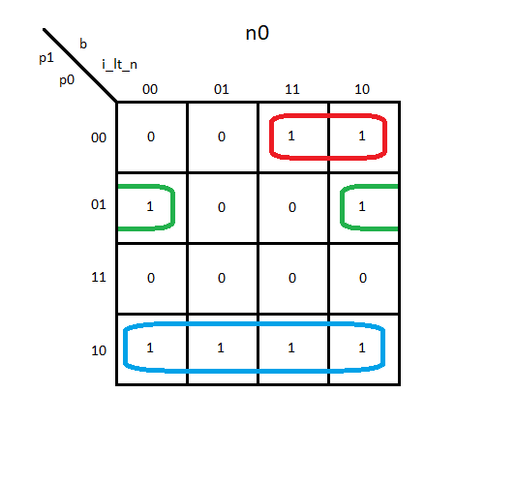
 | p1 | p0 | b | i_lt_n | n1 | n0 | i_ld | sum_ld | res_ld | dp_rst
init | 0 | 0 | 0 | 0 | 0 | 0 | 0 | 0 | 0 | 1
 | 0 | 0 | 0 | 1 | 0 | 0 | 0 | 0 | 0 | 1
 | 0 | 0 | 1 | 0 | 0 | 1 | 0 | 0 | 0 | 1
 | 0 | 0 | 1 | 1 | 0 | 1 | 0 | 0 | 0 | 1
w | 0 | 1 | 0 | 0 | 1 | 1 | 0 | 0 | 0 | 0
 | 0 | 1 | 0 | 1 | 1 | 0 | 0 | 0 | 0 | 0
 | 0 | 1 | 1 | 0 | 1 | 1 | 0 | 0 | 0 | 0
 | 0 | 1 | 1 | 1 | 1 | 0 | 0 | 0 | 0 | 0
x | 1 | 0 | 0 | 0 | 0 | 1 | 1 | 1 | 0 | 0
 | 1 | 0 | 0 | 1 | 0 | 1 | 1 | 1 | 0 | 0
 | 1 | 0 | 1 | 0 | 0 | 1 | 1 | 1 | 0 | 0
 | 1 | 0 | 1 | 1 | 0 | 1 | 1 | 1 | 0 | 0
y | 1 | 1 | 0 | 0 | 0 | 0 | 0 | 0 | 1 | 0
 | 1 | 1 | 0 | 1 | 0 | 0 | 0 | 0 | 1 | 0
 | 1 | 1 | 1 | 0 | 0 | 0 | 0 | 0 | 1 | 0
 | 1 | 1 | 1 | 1 | 0 | 0 | 0 | 0 | 1 | 0

 |  |  |  |  | n1 = p1'p0
 |  |  |  |  | n0 = p1'p0'b + p1'p0(i_lt_n)' + p1p0'
 |  |  |  |  | i_ld = p1p0'
 |  |  |  |  | sum_ld = p1p0'
 |  |  |  |  | res_ld = p1p0
 |  |  |  |  | dp_rst = p1'p0'

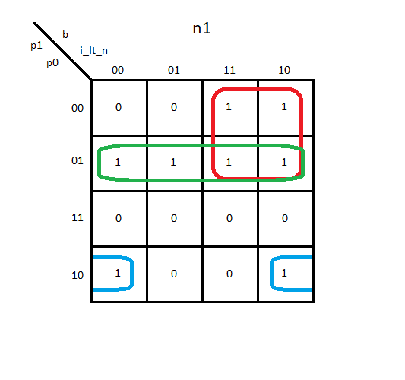
 | p1 | p0 | b | i_lt_n | n1 | n0 | i_ld | sum_ld | res_ld | dp_rst
init | 0 | 0 | 0 | 0 | 0 | 0 | 0 | 0 | 0 | 1
 | 0 | 0 | 0 | 1 | 0 | 0 | 0 | 0 | 0 | 1
 | 0 | 0 | 1 | 0 | 1 | 0 | 0 | 0 | 0 | 1
 | 0 | 0 | 1 | 1 | 1 | 0 | 0 | 0 | 0 | 1
x | 0 | 1 | 0 | 0 | 1 | 0 | 1 | 1 | 0 | 0
 | 0 | 1 | 0 | 1 | 1 | 0 | 1 | 1 | 0 | 0
 | 0 | 1 | 1 | 0 | 1 | 0 | 1 | 1 | 0 | 0
 | 0 | 1 | 1 | 1 | 1 | 0 | 1 | 1 | 0 | 0
w | 1 | 0 | 0 | 0 | 1 | 1 | 0 | 0 | 0 | 0
 | 1 | 0 | 0 | 1 | 0 | 1 | 0 | 0 | 0 | 0
 | 1 | 0 | 1 | 0 | 1 | 1 | 0 | 0 | 0 | 0
 | 1 | 0 | 1 | 1 | 0 | 1 | 0 | 0 | 0 | 0
y | 1 | 1 | 0 | 0 | 0 | 0 | 0 | 0 | 1 | 0
 | 1 | 1 | 0 | 1 | 0 | 0 | 0 | 0 | 1 | 0
 | 1 | 1 | 1 | 0 | 0 | 0 | 0 | 0 | 1 | 0
 | 1 | 1 | 1 | 1 | 0 | 0 | 0 | 0 | 1 | 0

 |  |  |  |  | n1 = p1'b + p1'p0 + p1p0'(i_lt_n)'
 |  |  |  |  | n0 = p1p0'
 |  |  |  |  | i_ld = p1'p0
 |  |  |  |  | sum_ld = p1'p0
 |  |  |  |  | res_ld = p1p0
 |  |  |  |  | dp_rst = p1'p0'

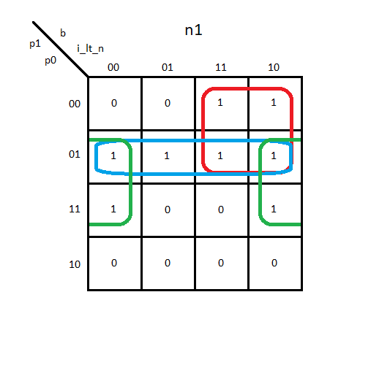
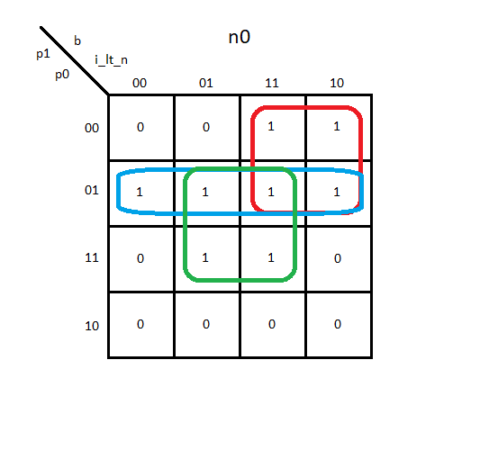
 | p1 | p0 | b | i_lt_n | n1 | n0 | i_ld | sum_ld | res_ld | dp_rst
init | 0 | 0 | 0 | 0 | 0 | 0 | 0 | 0 | 0 | 1
 | 0 | 0 | 0 | 1 | 0 | 0 | 0 | 0 | 0 | 1
 | 0 | 0 | 1 | 0 | 1 | 1 | 0 | 0 | 0 | 1
 | 0 | 0 | 1 | 1 | 1 | 1 | 0 | 0 | 0 | 1
x | 0 | 1 | 0 | 0 | 1 | 1 | 1 | 1 | 0 | 0
 | 0 | 1 | 0 | 1 | 1 | 1 | 1 | 1 | 0 | 0
 | 0 | 1 | 1 | 0 | 1 | 1 | 1 | 1 | 0 | 0
 | 0 | 1 | 1 | 1 | 1 | 1 | 1 | 1 | 0 | 0
y | 1 | 0 | 0 | 0 | 0 | 0 | 0 | 0 | 1 | 0
 | 1 | 0 | 0 | 1 | 0 | 0 | 0 | 0 | 1 | 0
 | 1 | 0 | 1 | 0 | 0 | 0 | 0 | 0 | 1 | 0
 | 1 | 0 | 1 | 1 | 0 | 0 | 0 | 0 | 1 | 0
w | 1 | 1 | 0 | 0 | 1 | 0 | 0 | 0 | 0 | 0
 | 1 | 1 | 0 | 1 | 0 | 1 | 0 | 0 | 0 | 0
 | 1 | 1 | 1 | 0 | 1 | 0 | 0 | 0 | 0 | 0
 | 1 | 1 | 1 | 1 | 0 | 1 | 0 | 0 | 0 | 0

 |  |  |  |  | n1 = p1'b + p1'p0 + p0(i_lt_n)'
 |  |  |  |  | n0 = p1'b + p1'p0 + p0(i_lt_n)
 |  |  |  |  | i_ld = p1'p0
 |  |  |  |  | sum_ld = p1'p0
 |  |  |  |  | res_ld = p1p0
 |  |  |  |  | dp_rst = p1'p0'

